Industry Background
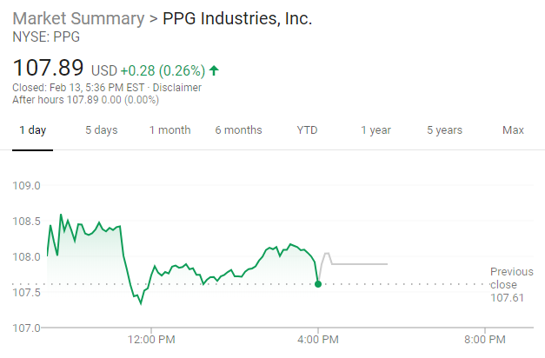
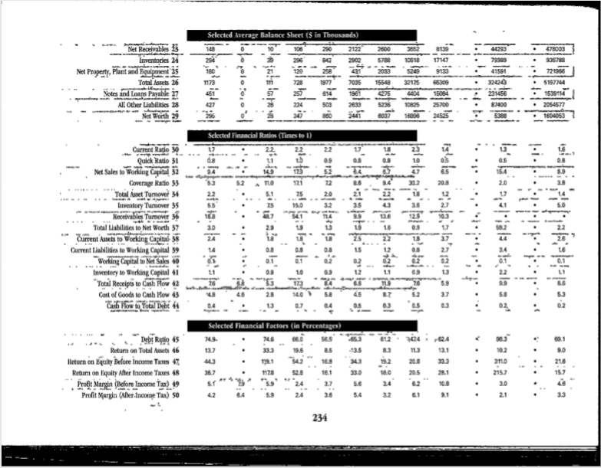
3M Company Background

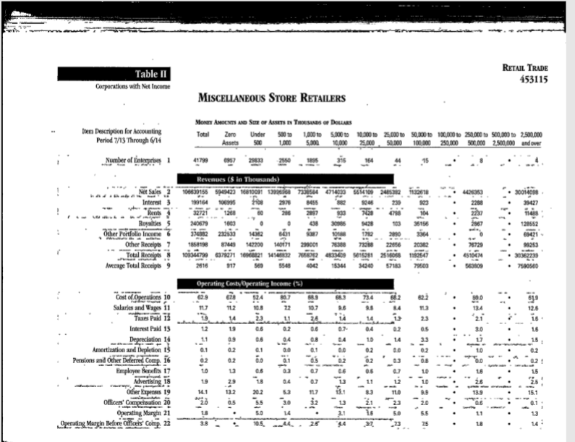
 | Written Report Sources
 | https://www.ascouncil.org/blogpost/1268738/News--Press?tag=Industry+News
 | https://www.bloomberg.com/graphics/2018-3M-groundwater-pollution-problem/
 | https://www.britannica.com/topic/3M-Company
 | https://www.gvtimes.com/2019/02/13/chasing-the-bulls-tail-3m-company-mmm-dish-network-corporation-dish/

 | PPG Industries Stock Price

